Sales Trend
Row Labels | Sum of Revenue
2019 | 870440
Jan | 84293
Feb | 106033
Mar | 127074
Apr | 92400
May | 91637
Jun | 88012
Jul | 71980
Aug | 88838
Sep | 82758
Oct | 37415
Grand Total | 870440

Sales by Employee
Sum of Revenue | Column Labels
Row Labels | Andrew James | Anna Weber | Anne Lee | Ben Wallace | Kim Fishman | Laura Larsen | Michael Fox | Oscar Knox | Grand Total
2019 | 105244 | 134764 | 114049 | 120302 | 105444 | 99493 | 96679 | 94465 | 870440
Grand Total | 105244 | 134764 | 114049 | 120302 | 105444 | 99493 | 96679 | 94465 | 870440

Item Share
Row Labels | Sum of Revenue
Item 1 | 342342
Item 2 | 156613
Item 3 | 53475
Item 4 | 120045
Item 5 | 197965
Grand Total | 870440

Customer Revenue
Row Labels | Sum of Revenue
Company F | 29336
Company R | 30170
Company T | 33309
Company L | 34241
Company O | 38042
Company G | 40678
Company J | 41760
Company A | 42168
Company P | 42250
Company N | 42901
Company H | 44051
Company Q | 46297
Company K | 46520
Company E | 47242
Company S | 47683
Company M | 49024
Company I | 49112
Company B | 49981
Company D | 51221
Company C | 64454
Grand Total | 870440

Dashboard
SALES PERFORMANCE DASHBOARD

SALES INSIGHTS

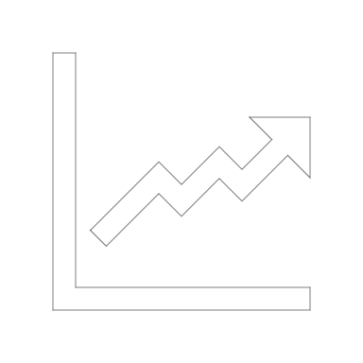
SALES TREND


CUSTOMER REVENUE

 | Total
Jan | 84293
Feb | 106033
Mar | 127074
Apr | 92400
May | 91637
Jun | 88012
Jul | 71980
Aug | 88838
Sep | 82758
Oct | 37415
 | Total
Company F | 29336
Company R | 30170
Company T | 33309
Company L | 34241
Company O | 38042
Company G | 40678
Company J | 41760
Company A | 42168
Company P | 42250
Company N | 42901
Company H | 44051
Company Q | 46297
Company K | 46520
Company E | 47242
Company S | 47683
Company M | 49024
Company I | 49112
Company B | 49981
Company D | 51221
Company C | 64454


SALES BY EMPLOYEE

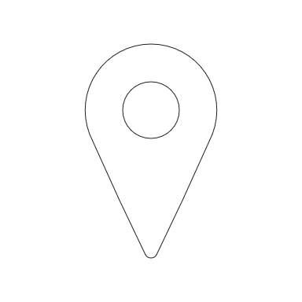
ITEM SHARE

SALES BY REGION

 | Andrew James | Anna Weber | Anne Lee | Ben Wallace | Kim Fishman | Laura Larsen | Michael Fox | Oscar Knox
2019 | 105244 | 134764 | 114049 | 120302 | 105444 | 99493 | 96679 | 94465
 | Total
Item 1 | 342342
Item 2 | 156613
Item 3 | 53475
Item 4 | 120045
Item 5 | 197965

cccccccccc

